工作表1
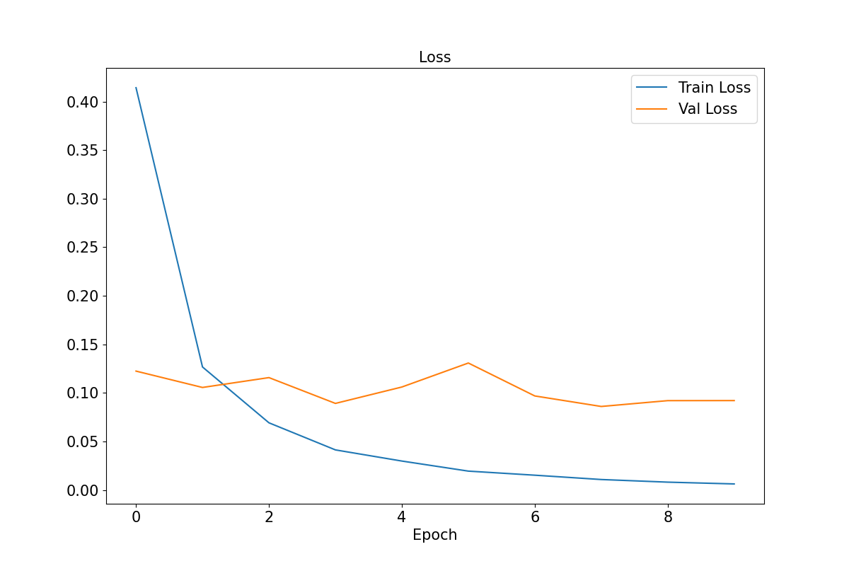
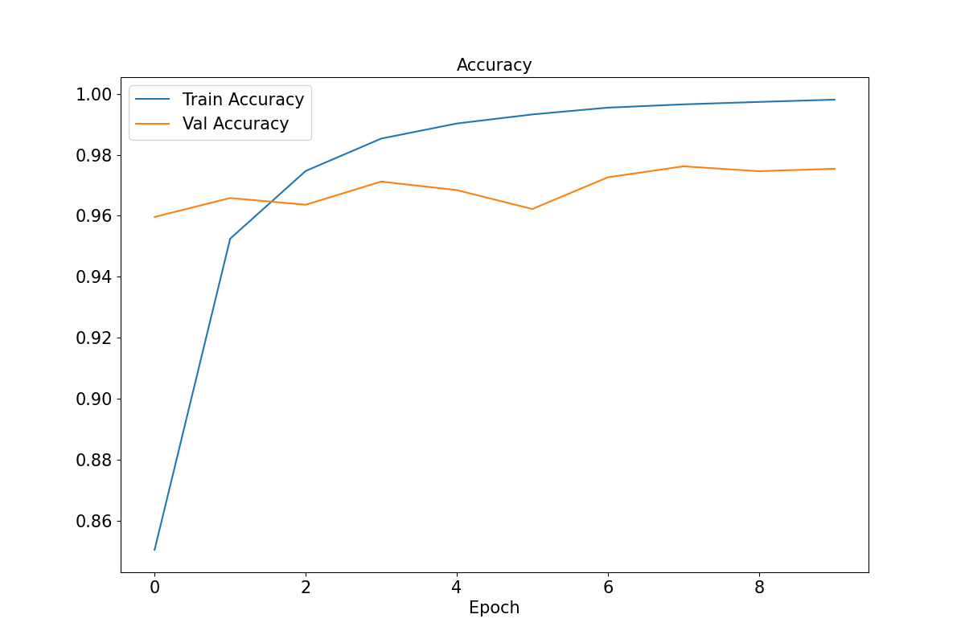
Model | info | train augmentation | backbone | Val acc | Test acc on sytheticn 3000 | Test acc on real 1000 | 從合成資料(image_train_augmented)分出來
best_model(1106).pth | EPOCH=10, BATCH_SIZE=32, LR=0.001 | Resize=(100,100), Normalize | resnet50 | 0.9762 | 0.9677 | 0.546 | Training dataset | 50000
 |  |  |  |  |  |  | Validation dataset | 5000
 |  |  |  |  |  |  | Test dataset | 3000 | 真實資料(image_test_new) | 1000

res101.pth | EPOCH=10, BATCH_SIZE=32, LR=0.001 | Resize=(100,100), Normalize | resnet101 |  | 0.9697 | 0.588
dense121(1124).pth | EPOCH=10, BATCH_SIZE=32, LR=0.001 | Resize=(100,100), Normalize | densenet121 |  | 0.9677 | 0.628

